Pivot Tables
Years | Total Revenue | Month | Total Revenue | State | Total Revenue
2016 | 2709484.47 | 2016 | 2709484.47 | CA | 1790145.91
2017 | 3845515.02 | Jan | 241184.15 | NY | 5826242.21
2018 | 2023989.39 | Feb | 175768.1 | TX | 962600.76 | State | Total Revenue
Total | 8578988.88 | Mar | 202157.14 | Total | 8578988.88 | CA | 1790145.91
 |  | Apr | 187223.55 |  |  | NY | 5826242.21
 |  | May | 228701.13 |  |  | TX | 962600.76
 |  | Jun | 231120.29
 |  | Jul | 222854.21
 |  | Aug | 253130.83
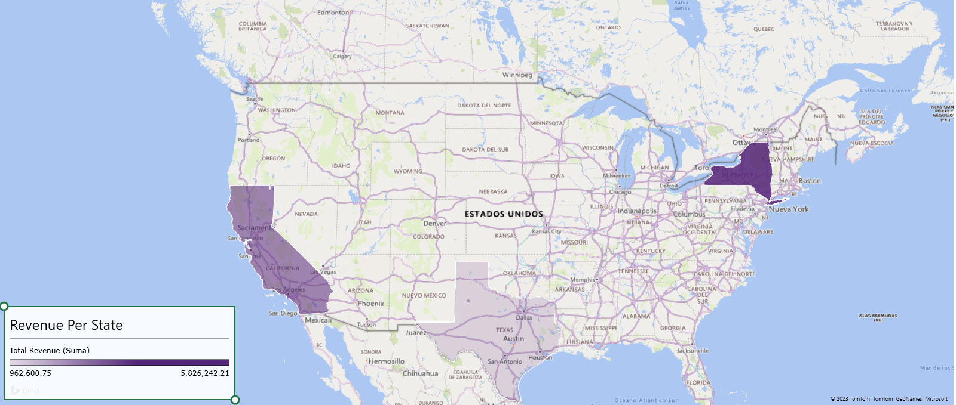
 |  | Sep | 303282.61
 |  | Oct | 235051.79
 |  | Nov | 205315.47
 |  | Dec | 223695.2
 |  | 2017 | 3845515.02
 |  | Jan | 316954.77
 |  | Feb | 348740.47
 |  | Mar | 348177.13
 |  | Apr | 254105.57
 |  | May | 297754.66
 |  | Jun | 419892.07
 |  | Jul | 255727.63
 |  | Aug | 322553.32
 |  | Sep | 329388.68
 |  | Oct | 345316.18
 |  | Nov | 315881.67
 |  | Dec | 291022.87
 |  | 2018 | 2023989.39
 |  | Jan | 426301.72
 |  | Feb | 223941.44
 |  | Mar | 406701.2
 |  | Apr | 909179.47
 |  | Jun | 209.99
 |  | Jul | 12949.89
 |  | Aug | 10256.91
 |  | Sep | 9949.96
 |  | Oct | 4219.92
 |  | Nov | 12278.93
 |  | Dec | 7999.96
 |  | Total | 8578988.88

Dashboard
EXECUTIVE DASHBOARD

Total Revenue Per Month 2016-2018
 | 2016 | 2017 | 2018
Jan | 241184.15 | 316954.77 | 426301.72
Feb | 175768.1 | 348740.47 | 223941.44
Mar | 202157.14 | 348177.13 | 406701.2
Apr | 187223.55 | 254105.57 | 909179.47
Jun | 228701.13 | 297754.66 | 209.99
Jul | 231120.29 | 419892.07 | 12949.89
Aug | 222854.21 | 255727.63 | 10256.91
Sep | 253130.83 | 322553.32 | 9949.96
Oct | 303282.61 | 329388.68 | 4219.92
Nov | 235051.79 | 345316.18 | 12278.93
Dec | 205315.47 | 315881.67 | 7999.96
 | 223695.2 | 291022.87
Total Revenue Per year 2016-2018
 | Total
2016 | 2709484.47
2017 | 3845515.02
2018 | 2023989.39

